SOLDRON
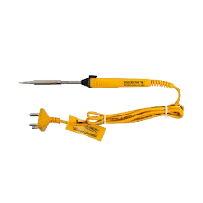
ITEM DESCRIPTION | IMAGE | WATTS | PACK QTY
SOLDRON SOLDERING IRONS
SI25A |  | 25 | 50
SI35A |  | 35 | 25
SI50A |  | 50 | 25
SI15-30A VARIABLE |  | 15-30 | 15
VAFG15-30 AUTO FEEDER |  | 15-30 | 1

